Sheet1
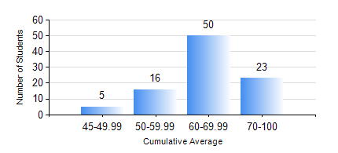
 |  |  | KWAME NKRUMAH UNIVERSITY OF SCIENCE AND TECHNOLOGY, KUMASI Department of Geomatic Engineering

 |  |  | BSC. GEOMATIC ENG.

 |  |  | COMPREHENSIVE RECORD OF EXAMINATION RESULTS

 |  |  | RESULTS OF YEAR 4 SECOND SEMESTER, 2022/2023 ACADEMIC YEAR

 | Sn | Course Code |  | Course Name | Credit Hours | Min. Mark | Max. Mark | Avg. Mark | Std. Dev. | No. Passed | No. Trailed | No. (Df) | No. (I) | No. (I*) | No. Tagged(I,I*,Df) | Total
 | 0. |  |  |  |  |  |  | 0 | 0 | 0 | 0 | 0 | 0 | 0 | 0 | 1
 | 1. | GE 192 |  | PRACTICAL TASK I | 3 | 70 | 71 | 70 | 0.71 | 2 | 0 | 0 | 0 | 0 | 0 | 2
 | 2. | GE 262 |  | REMOTE SENSING I | 3 | 50 | 50 | 50 | 0 | 1 | 0 | 0 | 0 | 0 | 0 | 1
 | 3. | GE 464 |  | DATABASE SYSTEMS | 3 | 41 | 82 | 67 | 8.74 | 93 | 0 | 0 | 0 | 0 | 0 | 93
 | 4. | GE 472 |  | LAND LAW AND REGISTRATION | 3 | 40 | 90 | 73 | 9.61 | 93 | 0 | 0 | 0 | 0 | 0 | 93
 | 5. | GE 474 |  | PRINCIPLES OF VALUATION OF LAND AND BUILDING | 3 | 42 | 85 | 67 | 9.5 | 93 | 0 | 0 | 0 | 0 | 0 | 93
 | 6. | GE 476 |  | PROFESSIONAL STUDIES AND DEVELOPMENT | 3 | 25 | 83 | 64 | 10.65 | 92 | 1 | 0 | 0 | 0 | 0 | 93
 | 7. | GE 492 |  | PROJECT II | 4 | 52 | 87 | 75 | 5.73 | 93 | 0 | 0 | 0 | 0 | 0 | 93

